GMS-LZB
 | 2015 | 2016 | 2017 | 2018 | 2019 | 2020 | 2021 | 2022 | 2023 | 2024 | Current | 5-Yr
GMS | -1.95 | 4.13 | 11.84 | 11.51 | 9.27 | 3.69 | 14.5 | 28.98 | 28.47 | 20.19 | 10.37 | 6.96
LZB | 13.46 | 14.72 | 15.04 | 13.39 | 10.56 | 11.18 | 14.44 | 18.94 | 17.19 | 12.61 | 12.4 | 13.43
KFY | 11.14 | 3.29 | 7.84 | 11.51 | 8.27 | 8.43 | 8.63 | 21.92 | 12.84 | 9.82 | 13.92 | 8.41
ROE%
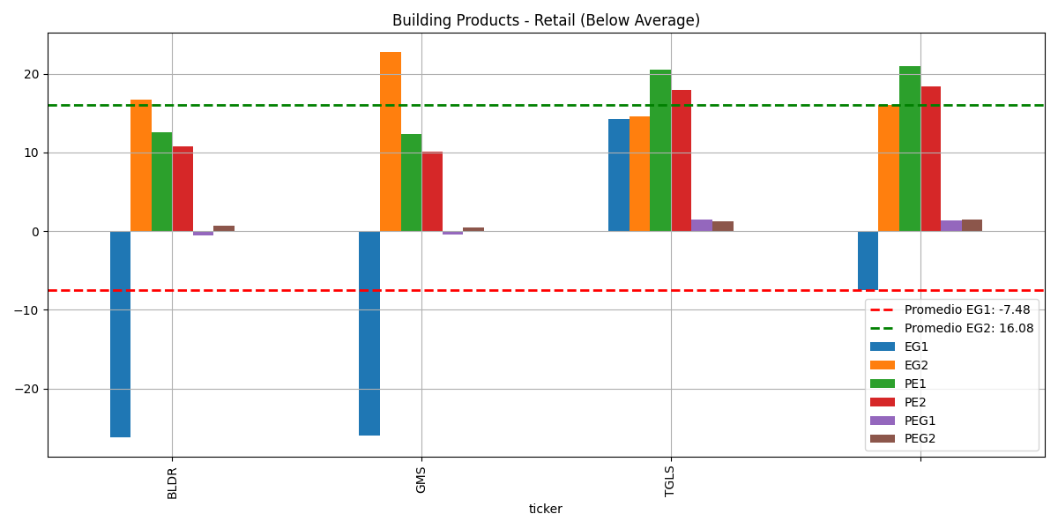
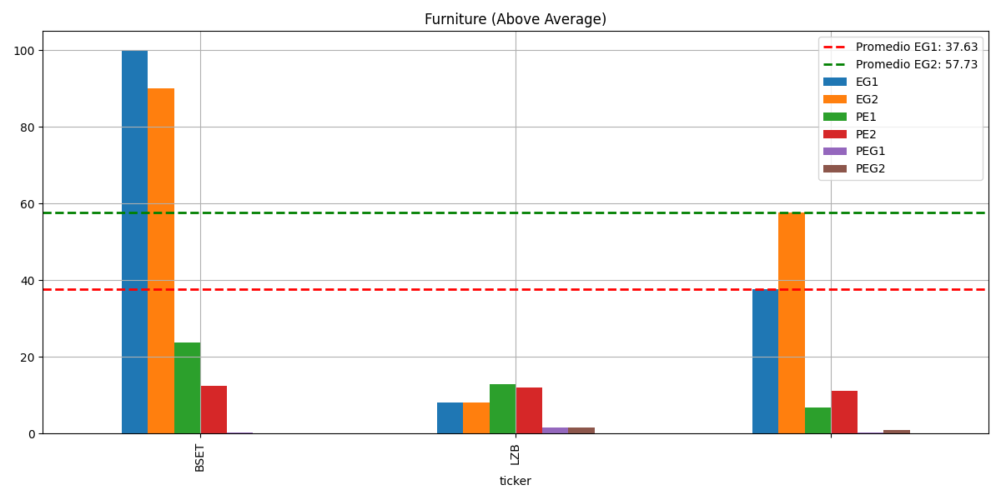

GMS |  |  |  |  |  |  |  | LZB
 | Current Qtr (4/2025) | Next Qtr (7/2025) | Current Year (4/2025) | Next Year (4/2026) |  |  |  |  | Current Qtr (4/2025) | Next Qtr (7/2025) | Current Year (4/2025) | Next Year (4/2026)
Zacks Consensus Estimate | 1.15 | 1.65 | 6.01 | 6.11 |  |  |  | Zacks Consensus Estimate | 0.93 | 0.64 | 2.94 | 3.23
# of Estimates | 3 | 2 | 4 | 4 |  |  |  | # of Estimates | 2 | 1 | 2 | 2
Most Recent Consensus | 1.15 | 1.69 | 6.02 | 5.99 |  |  |  | Most Recent Consensus | 0.93 | 0.64 | 2.95 | 3.25
High Estimate | 1.19 | 1.69 | 6.06 | 6.33 |  |  |  | High Estimate | 0.93 | 0.64 | 2.95 | 3.25
Low Estimate | 1.1 | 1.6 | 5.97 | 5.97 |  |  |  | Low Estimate | 0.93 | 0.64 | 2.93 | 3.2
Year ago EPS | 1.93 | 1.93 | 8.25 | 6.01 |  |  |  | Year ago EPS | 0.95 | 0.62 | 2.98 | 2.94
Year over Year Growth Est. | -40.41% | -14.51% | -27.15% | 1.66% |  |  |  | Year over Year Growth Est. | -2.11% | 3.23% | -1.34% | 9.69%

 | 1.145 | 1.645 | 6.015 | 6.15 |  |  |  |  | 0.93 | 0.64 | 2.94 | 3.225

 |  | sentiment
 | kfy | 0.32
 | LZB | 0.19
 | GMS | 0.17

LEN-WLY
 | 2015 | 2016 | 2017 | 2018 | 2019 | 2020 | 2021 | 2022 | 2023 | 2024 | Current | 5-Yr
LEN | 15.16 | 14.24 | 10.78 | 14.97 | 12.01 | 14.36 | 22.56 | 20.31 | 15.35 | 14.3 | 14.97 | 13.43
WLY | 15.81 | 13.94 | 11.14 | 17.52 | 14.19 | -7.02 | 14.64 | 13.28 | 1.58 | -22.45 | 5.77 | 14.52

roe%
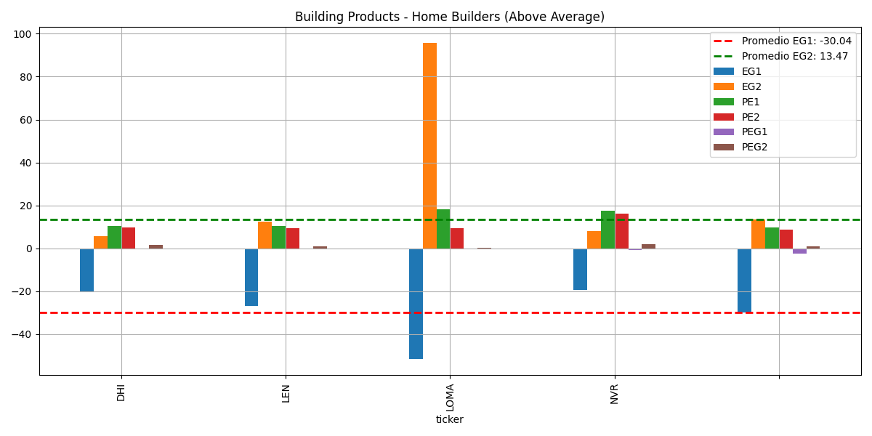

LEN |  |  |  |  |  |  | WLY
 | Current Qtr (5/2025) | Next Qtr (8/2025) | Current Year (11/2025) | Next Year (11/2026)
Zacks Consensus Estimate | 1.97 | 2.78 | 10.25 | 11.42
# of Estimates | 7 | 6 | 5 | 7
Most Recent Consensus | 2 | 3.02 | 10.66 | 11.47
High Estimate | 2.12 | 3.16 | 10.66 | 12.52
Low Estimate | 1.84 | 2.47 | 9.66 | 10.42
Year ago EPS | 3.38 | 3.9 | 13.86 | 10.25
Year over Year Growth Est. | -41.72% | -28.72% | -26.05% | 11.49%

 | 1.98 | 2.815 | 10.16 | 11.47 |  |  |  | len | 0.19
 |  |  |  |  |  |  |  | wly | 0.24
 | Current Qtr (5/2025) | Next Qtr (8/2025) | Current Year (11/2025) | Next Year (11/2026)
Up Last 7 Days | 0 | 0 | 0 | 0
Up Last 30 Days | 0 | 0 | 0 | 0
Up Last 60 Days | 0 | 0 | 0 | 0
Down Last 7 Days | 1 | 1 | 0 | 0
Down Last 30 Days | 1 | 1 | 0 | 0
Down Last 60 Days | 1 | 2 | 2 | 2

ACN-KMX-KR-DRI
 | 2015 | 2016 | 2017 | 2018 | 2019 | 2020 | 2021 | 2022 | 2023 | 2024 | Current | 5-Yr
ACN | 51.47 | 60.08 | 41.75 | 42.04 | 38.58 | 32.52 | 32.34 | 33.04 | 28.75 | 26.92 | 27.26 | 46.78
KMX |  | 20.57 | 20.85 | 20.67 | 25.25 | 24.94 | 18.37 | 23.99 | 8.94 | 8.2 | 8.13 | 22.46
KR |  | 33.04 | 28.98 | 27.74 | 41.52 | 19.89 | 28.12 | 17.23 | 23.02 | 19.82 | 26.58 | 30.23
DRI | 31.6 | 17.5 | 23.64 | 27.74 | 31.1 | -2.22 | 24.47 | 38.03 | 44.63 | 46.25 | 48.08 | 26.32

ROE%
 | ACN | KMX | KR | DRI
2015 | 51.47 |  |  | 31.6
2016 | 60.08 | 20.57 | 33.04 | 17.5
2017 | 41.75 | 20.85 | 28.98 | 23.64
2018 | 42.04 | 20.67 | 27.74 | 27.74
2019 | 38.58 | 25.25 | 41.52 | 31.1
2020 | 32.52 | 24.94 | 19.89 | -2.22
2021 | 32.34 | 18.37 | 28.12 | 24.47
2022 | 33.04 | 23.99 | 17.23 | 38.03
2023 | 28.75 | 8.94 | 23.02 | 44.63
2024 | 26.92 | 8.2 | 19.82 | 46.25
Current | 27.26 | 8.13 | 26.58 | 48.08
5-Yr | 46.78 | 22.46 | 30.23 | 26.32
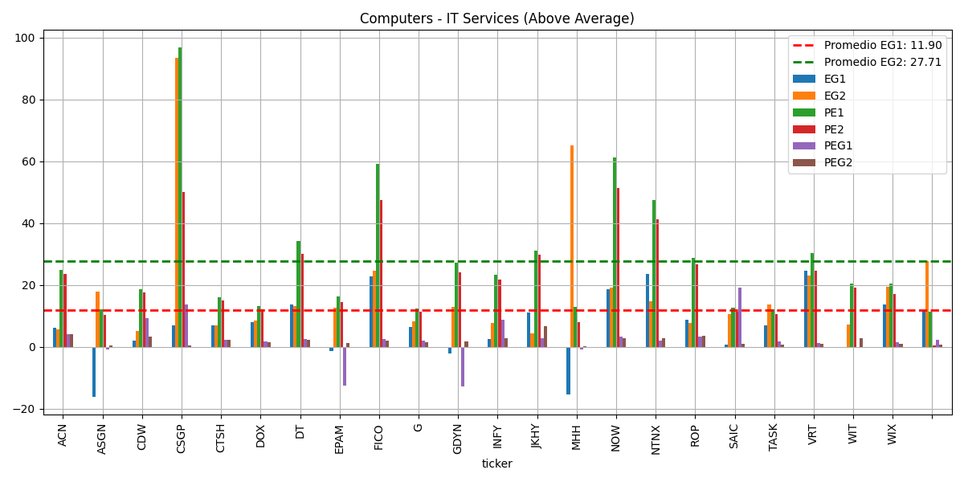
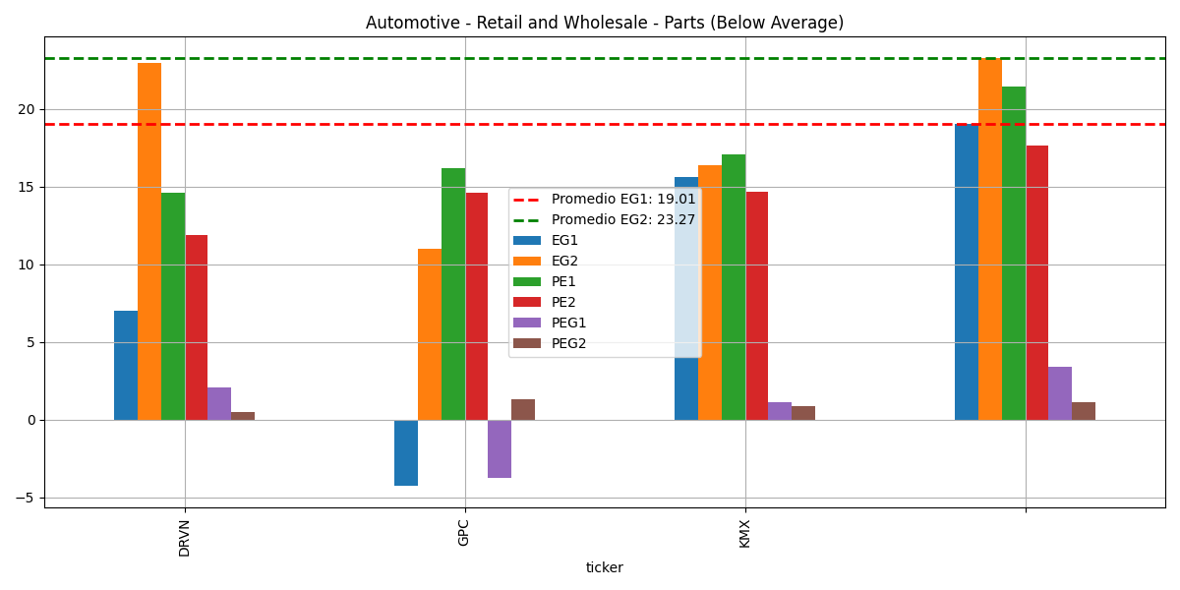

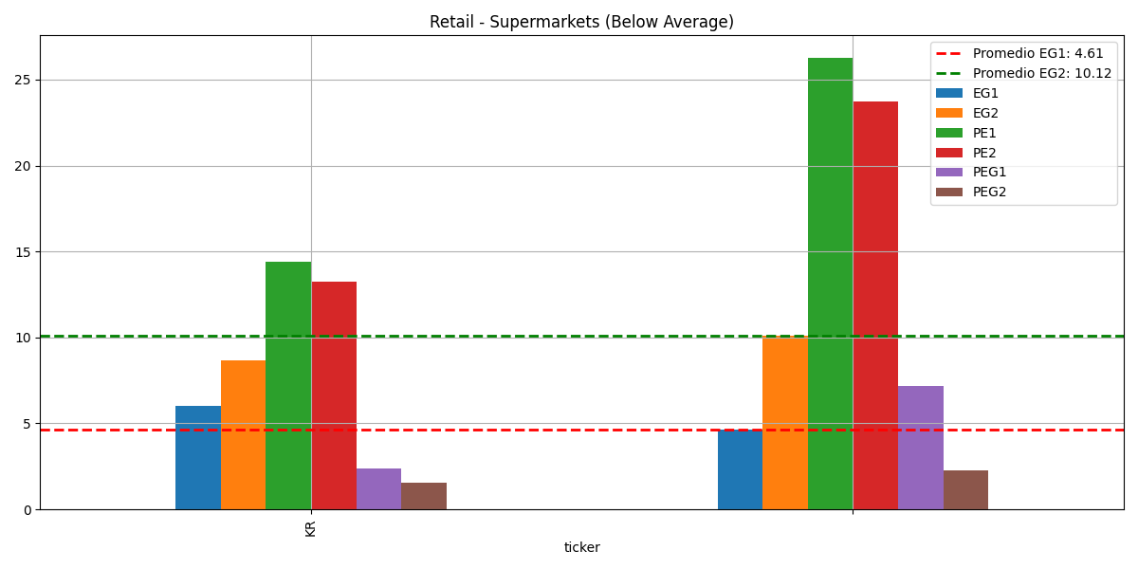
ACN |  |  |  |  |  |  |  | KMX
 | Current Qtr (5/2025) | Next Qtr (8/2025) | Current Year (8/2025) | Next Year (8/2026) |  |  |  |  | Current Qtr (5/2025) | Next Qtr (8/2025) | Current Year (2/2026) | Next Year (2/2027)
Zacks Consensus Estimate | 3.27 | 2.97 | 12.68 | 13.41 |  |  |  | Zacks Consensus Estimate | 1.22 | 1.08 | 3.77 | 4.38
# of Estimates | 8 | 8 | 10 | 10 |  |  |  | # of Estimates | 8 | 8 | 9 | 9
Most Recent Consensus | 3.23 | 2.97 | 12.62 | 13.14 |  |  |  | Most Recent Consensus | 1.27 | 1.11 | 3.75 | 4.36
High Estimate | 3.38 | 3.06 | 12.8 | 13.77 |  |  |  | High Estimate | 1.45 | 1.14 | 4 | 4.72
Low Estimate | 3.21 | 2.83 | 12.56 | 12.92 |  |  |  | Low Estimate | 1.03 | 0.99 | 3.55 | 4.05
Year ago EPS | 3.13 | 2.79 | 11.95 | 12.68 |  |  |  | Year ago EPS | 0.97 | 0.85 | 3.27 | 3.77
Year over Year Growth Est. | 4.47% | 6.45% | 6.11% | 5.75% |  |  |  | Year over Year Growth Est. | 25.77% | 27.06% | 15.29% | 16.24%

 | 3.295 | 2.945 | 12.68 | 13.345 |  |  |  |  | 1.24 | 1.065 | 3.775 | 4.385

 | Current Qtr (5/2025) | Next Qtr (8/2025) | Current Year (8/2025) | Next Year (8/2026) |  |  |  |  | Current Qtr (5/2025) | Next Qtr (8/2025) | Current Year (2/2026) | Next Year (2/2027)
Up Last 7 Days | 0 | 0 | 0 | 0 |  |  |  | Up Last 7 Days | 0 | 0 | 0 | 0
Up Last 30 Days | 0 | 0 | 0 | 0 |  |  |  | Up Last 30 Days | 1 | 1 | 0 | 0
Up Last 60 Days | 0 | 1 | 0 | 0 |  |  |  | Up Last 60 Days | 1 | 2 | 0 | 2
Down Last 7 Days | 0 | 0 | 0 | 0 |  |  |  | Down Last 7 Days | 1 | 0 | 1 | 1
Down Last 30 Days | 0 | 0 | 0 | 0 |  |  |  | Down Last 30 Days | 0 | 0 | 1 | 1
Down Last 60 Days | 1 | 0 | 1 | 2 |  |  |  | Down Last 60 Days | 1 | 0 | 5 | 2

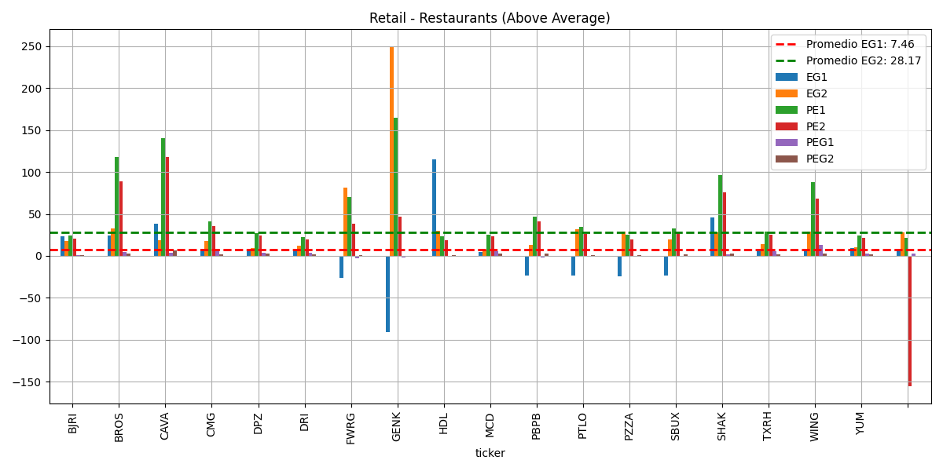

 |  |  |  |  |  |  |  |  |  |  |  |  | KR
 |  |  |  |  |  |  |  |  |  |  |  |  |  | Current Qtr (4/2025) | Next Qtr (7/2025) | Current Year (1/2026) | Next Year (1/2027)
 |  |  |  |  |  |  |  |  |  |  |  |  | Zacks Consensus Estimate | 1.45 | 1.02 | 4.74 | 5.15
 |  |  |  |  |  |  |  |  |  |  |  |  | # of Estimates | 8 | 7 | 8 | 7
 |  |  |  |  |  |  |  |  |  |  |  |  | Most Recent Consensus | 1.47 | 0.97 | 4.72 | NA
 |  |  |  |  |  |  |  |  |  |  |  |  | High Estimate | 1.47 | 1.16 | 4.8 | 5.32
 |  |  |  |  |  |  |  |  |  |  |  |  | Low Estimate | 1.43 | 0.97 | 4.7 | 4.89
 |  |  |  |  |  |  |  |  |  |  |  |  | Year ago EPS | 1.43 | 0.93 | 4.47 | 4.74
 |  |  |  |  |  |  |  |  |  |  |  |  | Year over Year Growth Est. | 1.40% | 9.68% | 6.04% | 8.54%

 |  |  |  |  |  |  |  |  |  |  |  |  |  | 1.45 | 1.065 | 4.75 | 5.105

 |  |  |  |  |  |  |  |  |  |  |  |  |  | Current Qtr (4/2025) | Next Qtr (7/2025) | Current Year (1/2026) | Next Year (1/2027)
 |  |  |  |  |  |  |  |  |  |  |  |  | Up Last 7 Days | 0 | 0 | 0 | 0
 |  |  |  |  |  |  |  |  |  |  |  |  | Up Last 30 Days | 0 | 0 | 0 | 0
 |  |  |  |  |  |  |  |  |  |  |  |  | Up Last 60 Days | 1 | 1 | 0 | 0
 |  |  |  |  |  |  |  |  |  |  |  |  | Down Last 7 Days | 0 | 0 | 0 | 0
 |  |  |  |  |  |  |  |  |  |  |  |  | Down Last 30 Days | 0 | 0 | 0 | 0
 |  |  |  |  |  |  |  |  |  |  |  |  | Down Last 60 Days | 0 | 0 | 0 | 1

